Screenings
No | Description | Inputs | Expected Output | Actual Output | Pass / Fail | UI / Codes
1 | Add Screening (Type : Male and Female) | Age : 9 Common illness: Hand Foot Mouth Disease Recommended screening: - Demographic affected: Male and Female Regularity : 0 | Success Message shown, screening added into the table | Page refreshed with no success message shown. Screening not found in View Screenings page DB not updated | Fail | Unknown
2 | Add Screening (Type : Male) | Age : 20 Common illness: Cancers Recommended screening: - Demographic affected: Male Regularity : 1 | Success Message shown, screening added into the table | Page refreshed with no success message shown. Screening not found in View Screenings page DB not updated | Fail | unknown
3 | Add Screening (Type : Female) | Age : 21 Common illness: Stomach Cancer Recommended screening: - Demographic affected: Female Regularity : 1 Year | Success Message shown, screening added into the table | Page refreshed with no success message shown. Screening not found in View Screenings page DB not updated | Fail | unknown
4 | Add Screening (Type : Infant) | Age : 1 Common illness: Chicken Pox Recommended screening: - Demographic affected: Infant Regularity : 1 Year | Success Message shown, screening added into the table | Page refreshed with no success message shown. Screening not found in View Screenings page DB not updated | Fail | unknown
5 | View Screenings | Access the URL: http://ec2-35-161-162-8.us-west-2.compute.amazonaws.com/U-Link/viewScreenings.html | Verify that screenings created in test cases 1 - 4 were shown Hand Foot Mouth Disease, Cancers, Cancer, Chicken Pox | Not shown | Fail | ecf
6 | Edit Screening (Type: All) | Age : 0 Common illness: Hand Foot Mouth Disease Recommended screening: Body Checkup Demographic affected: Infant, Female, Male Regularity : 0 | Success Message shown, screening details updated. | unable to edit | Fail | ecf
7 | View Screenings | Access the URL: http://ec2-35-161-162-8.us-west-2.compute.amazonaws.com/U-Link/viewScreenings.html | Verify that screening - Hand Foot Mouth Disease from Test Case 7 has been updated | Unable to verify | Fail | ecf
8 | Delete Screening | Delete Screening updated from Test Case 7 Age : 0 Common illness: Hand Foot Mouth Disease Recommended screening: - Demographic affected: All Regularity : 0 | Redirect back to View Screening webpage, 'Hand Foot Mouth Disease' not shown in the screening table, a message 'Screening successfully deleted.' shown | Unable to delete | Fail | ecf
9 | Add Screening : Wrong Age Group | Age : 9 Common illness: Fever Recommended screening: - Demographic affected: Infant, Female, Male Regularity : 0 | Error Message Shown (Infant cannot be above 1 years old) | No error message shown | Fail | UI
10 | View Screenings | Access the URL: http://ec2-35-161-162-8.us-west-2.compute.amazonaws.com/U-Link/viewScreenings.html | Ensure that Test Case 9 is not added in to the screenings table | Unable to test this | Fail | ecf
11 | View Screenings with Filter | Access the URL: http://ec2-35-161-162-8.us-west-2.compute.amazonaws.com/U-Link/viewScreenings.html Demographic: Infant Age Group: 0 - 10 in drop down list | The screening table should show screenings belonging to age group 0 or 1 year old | Display unrelated results | Fail | unknown
12 | View Screenings with Filter | Access the URL: http://ec2-35-161-162-8.us-west-2.compute.amazonaws.com/U-Link/viewScreenings.html Demographic: Infant Age Group: 21 - 30 in drop down list | The screening table should show no result / user not able to select any age in the drop down list | Display unrelated results | Fail | Unknown
13 | View Screenings with Filter | Access the URL: http://ec2-35-161-162-8.us-west-2.compute.amazonaws.com/U-Link/viewScreenings.html Demographic: Male Age Group: 21 - 30 in drop down list | The screening table should show screenings belonging to male, age group between 20 - 30 years old | Display unrelated results | Fail | Unknown
14 | View Clients Base on Filter | Access the URL: http://ec2-35-161-162-8.us-west-2.compute.amazonaws.com/U-Link/viewScreenings.htmlDemographic: Male Age Group: 20 - 30 in drop down list Illness: Cancers, Click 'View Client List' | 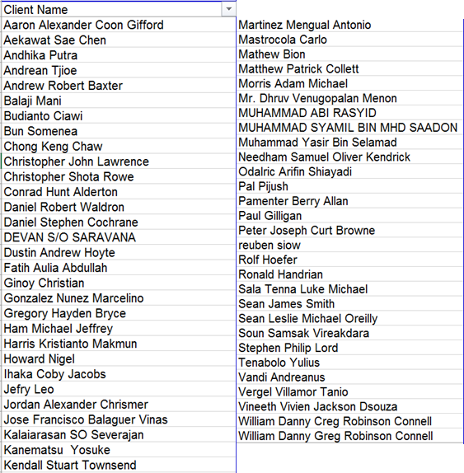 59 Names should shown. | Page did not redirect to view client page | Fail | Unknown note: can only test after bootstrap the data files
15 | View Clients Base on Filter | Access the URL: viewscreenings.html Demographic: Infant Illness: Fever, Click 'View Client List' | 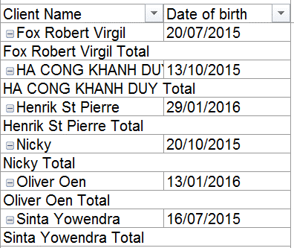 6 Names should shown | Page did not redirect to view client page | Fail | Unknown note: can only test after bootstrap the data files

